Hiearchy View
Class: SHAFT ENCODER
a sensor device that can be attached mechanically to a rotating shaft, and electrically connected to a logic system in order to feed information to the logic system regarding the rotation of the shaft. | 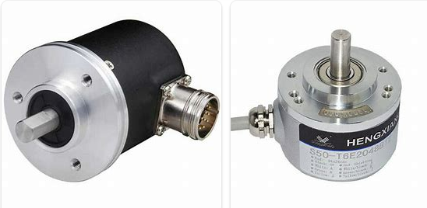
REMOVE | N

PROBLEM_DESC | CAUSE_DESC | REMEDY_DESC
ALARM/SENSOR
BROKEN/DAMAGED
LEAKING
LIGHTING
NOISE
OTHER PROBLEM
OVERHEATING
PESTS
POWER-ELEC
PRESSURE
SMELL
STOPPED/SLOWED/POOR OPS
TEMP-CTRL
VIBRATION
Grand Total

